Trim Validation
 |  |  | Speed sweep, no disturbances |  |  |  |  |  |  |  | Inclination angle sweep @ 112 km/h |  |  |  | Wind sweep @ 112 km/h |  |  | Friction sweep @ 112 km/h
 | Trim speed | (km/h) | 25 | 50 | 75 | 100 | 125 | 150 | 175 | 200 | 112 | 112 | 112 | 112 | 112 | 112 | 112 | 112 | 112 | 112
Disturbances | Inclination angle | (deg) | 0 | 0 | 0 | 0 | 0 | 0 | 0 | 0 | -3 | 0 | 3 | 6 | 0 | 0 | 0 | 0 | 0 | 0
 | Wind velocity | (m/s) | 0 | 0 | 0 | 0 | 0 | 0 | 0 | 0 | 0 | 0 | 0 | 0 | -10 | 0 | 10 | 0 | 0 | 0
 | change in rolling friction | (-) | 0 | 0 | 0 | 0 | 0 | 0 | 0 | 0 | 0 | 0 | 0 | 0 | 0 | 0 | 0 | -0.05 | 0 | 0.05
Controls | Throttle Setting | (-) | 0.055399349686 | 0.096989370159 | 0.16549789747 | 0.25816299767 | 0.38326785213 | 0.54929069165 | 0.76495334278 | 1.0392747525 | 0.057841278016 | 0.31364797244 | 0.57596246134 | 0.84434615455 | 0.40433468409 | 0.31364797244 | 0.24859005296 | 0.06979434773 | 0.31364797244 | 0.5611125811
 | Brake Setting | (-) | 0 | 0 | 0 | 0 | 0 | 0 | 0 | 0 | 0 | 0 | 0 | 0 | 0 | 0 | 0 | 0 | 0 | 0
States | Distance | (m) | 0 | 0 | 0 | 0 | 0 | 0 | 0 | 0 | 0 | 0 | 0 | 0 | 0 | 0 | 0 | 0 | 0 | 0
 | Speed | (m/s) | 6.9444444444 | 13.888888889 | 20.833333333 | 27.777777778 | 34.722222222 | 41.666666667 | 48.611111111 | 55.555555556 | 31.111111111 | 31.111111111 | 31.111111111 | 31.111111111 | 31.111111111 | 31.111111111 | 31.111111111 | 31.111111111 | 31.111111111 | 31.111111111
 | Front wheel angular speed | (rad/s) | 23.824081846 | 47.648163691 | 71.472245537 | 95.296327383 | 119.12040923 | 142.94449107 | 166.76857292 | 190.59265477 | 106.73188667 | 106.73188667 | 106.73188667 | 106.73188667 | 106.73188667 | 106.73188667 | 106.73188667 | 107.41653703 | 106.73188667 | 106.04287912
 | Rear wheel angular speed | (rad/s) | 24.098828564 | 48.244989324 | 72.485229675 | 96.865277908 | 121.42969289 | 146.22210522 | 171.28593563 | 196.66567543 | 107.09646997 | 108.63048598 | 110.13536254 | 111.67787995 | 109.14649874 | 108.63048598 | 108.25307969 | 107.84095826 | 108.63048598 | 109.4343971
 | Total motor torque | (Nm) | 249.29707358 | 271.39740634 | 308.23129426 | 359.79873736 | 426.09973562 | 507.13428906 | 602.90239766 | 713.40406143 | 72.911577145 | 389.78446884 | 705.99424641 | 1020.6742008 | 500.10932995 | 389.78446884 | 310.01110773 | 87.37159884 | 389.78446884 | 692.19733884
Outputs | Distance | (km) | 0 | 0 | 0 | 0 | 0 | 0 | 0 | 0 | 0 | 0 | 0 | 0 | 0 | 0 | 0 | 0 | 0 | 0
 | Speed | (km/h) | 25 | 50 | 75 | 100 | 125 | 150 | 175 | 200 | 112 | 112 | 112 | 112 | 112 | 112 | 112 | 112 | 112 | 112
 | Front wheel RPM | (RPM) | 227.50322342 | 455.00644684 | 682.50967027 | 910.01289369 | 1137.5161171 | 1365.0193405 | 1592.522564 | 1820.0257874 | 1019.2144409 | 1019.2144409 | 1019.2144409 | 1019.2144409 | 1019.2144409 | 1019.2144409 | 1019.2144409 | 1025.7523703 | 1019.2144409 | 1012.6349035
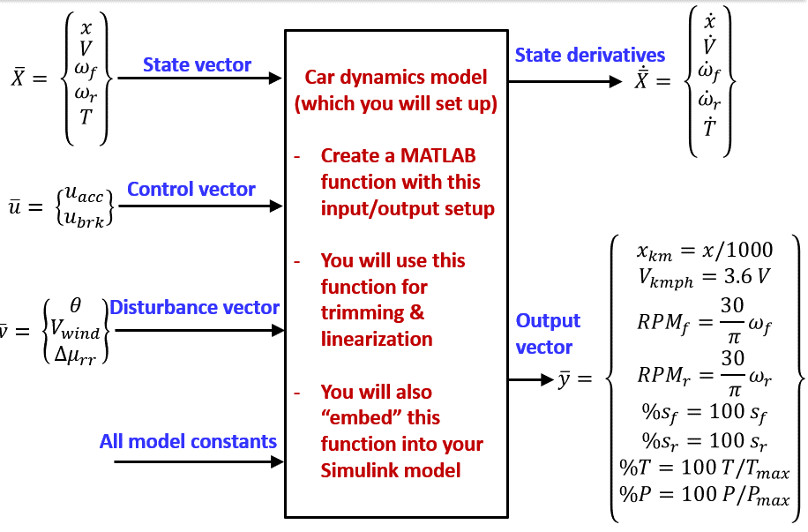
 | Rear wheel RPM | (RPM) | 230.12686133 | 460.70571182 | 692.18295624 | 924.99526758 | 1159.5681517 | 1396.3182501 | 1635.6602002 | 1878.0188628 | 1022.695955 | 1037.3447289 | 1051.7152415 | 1066.4451976 | 1042.2722878 | 1037.3447289 | 1033.7407643 | 1029.8052945 | 1037.3447289 | 1045.0215145
 | Front wheel % slip | (%) | -0.51063421222 | -0.51063421222 | -0.51063421222 | -0.51063421222 | -0.51063421222 | -0.51063421222 | -0.51063421222 | -0.51063421222 | -0.51063421222 | -0.51063421222 | -0.51063421222 | -0.51063421222 | -0.51063421222 | -0.51063421222 | -0.51063421222 | 0.12755773209 | -0.51063421222 | -1.1528876765
 | Rear wheel % slip | (%) | 0.63670808518 | 0.73553770887 | 0.89943970777 | 1.1273501357 | 1.4180795035 | 1.7705852303 | 2.1842953122 | 2.6594825725 | -0.17079049233 | 1.2591315777 | 2.6618915118 | 4.0997380919 | 1.740129185 | 1.2591315777 | 0.90733499664 | 0.52317894954 | 1.2591315777 | 2.0084915809
 | Torque utilization, T/Tmax, % | (%) | 5.5399349686 | 6.0310534742 | 6.849584317 | 7.9955274968 | 9.4688830138 | 11.269650868 | 13.397831059 | 15.853423587 | 1.6202572699 | 8.6618770853 | 15.688761031 | 22.681648907 | 11.113540666 | 8.6618770853 | 6.8891357273 | 1.9415910853 | 8.6618770853 | 15.382163085
 | Power utilization, P/Pmax, % | (%) | 4.4501981022 | 9.6989370159 | 16.549789747 | 25.816299767 | 38.326785213 | 54.929069165 | 76.495334278 | 103.92747525 | 5.7841278016 | 31.364797244 | 57.596246134 | 84.434615455 | 40.433468409 | 31.364797244 | 24.859005296 | 6.979434773 | 31.364797244 | 56.11125811
State Derivatives | d/dt (Distance) | (m/s) | 6.9444444444 | 13.888888889 | 20.833333333 | 27.777777778 | 34.722222222 | 41.666666667 | 48.611111111 | 55.555555556 | 31.111111111 | 31.111111111 | 31.111111111 | 31.111111111 | 31.111111111 | 31.111111111 | 31.111111111 | 31.111111111 | 31.111111111 | 31.111111111
 | d/dt (Speed) | (m/s/s) | -2.44E-14 | -4.66E-15 | -4.24E-15 | 5.67E-15 | 4.55E-15 | -4.44E-15 | -1.60E-15 | 1.07E-15 | -6.95E-15 | 3.56E-15 | -3.96E-15 | -2.10E-14 | -3.10E-15 | 3.56E-15 | -3.25E-15 | 2.83E-15 | 3.56E-15 | -4.49E-15
 | d/dt (Front wheel angular speed) | (rad/s/s) | 4.75E-12 | 2.13E-13 | -1.03E-13 | -7.03E-13 | -3.32E-13 | -1.03E-13 | 6.32E-14 | 1.97E-13 | 6.87E-13 | -1.26E-13 | 6.63E-13 | 2.16E-12 | 6.71E-13 | -1.26E-13 | 6.87E-13 | -5.05E-13 | -1.26E-13 | 5.53E-13
 | d/dt (Rear wheel angular speed) | (rad/s/s) | -5.88E-13 | 5.84E-13 | 8.29E-13 | -2.64E-13 | -4.26E-13 | 8.68E-13 | 2.17E-13 | -3.87E-13 | 4.86E-13 | -4.86E-13 | -1.18E-14 | 1.44E-12 | -1.34E-13 | -4.86E-13 | -1.34E-13 | 1.58E-14 | -4.86E-13 | 2.37E-13
 | d/dt (Total motor torque) | (Nm/s) | 0.00E+00 | 2.27E-12 | 0 | 0 | -4.55E-12 | -2.27E-12 | 4.55E-12 | -4.55E-12 | 5.68E-13 | 0 | 0 | 0 | -2.27E-12 | 0 | 0 | 0 | 0 | 0
Constants | Car mass | (kg) | 2126 | 2126 | 2126 | 2126 | 2126 | 2126 | 2126 | 2126 | 2126 | 2126 | 2126 | 2126 | 2126 | 2126 | 2126 | 2126 | 2126 | 2126
 | Wheel inertia (each) | (kg.m2) | 1.8 | 1.8 | 1.8 | 1.8 | 1.8 | 1.8 | 1.8 | 1.8 | 1.8 | 1.8 | 1.8 | 1.8 | 1.8 | 1.8 | 1.8 | 1.8 | 1.8 | 1.8
 | CG-to-front-axle | (m) | 1.1 | 1.1 | 1.1 | 1.1 | 1.1 | 1.1 | 1.1 | 1.1 | 1.1 | 1.1 | 1.1 | 1.1 | 1.1 | 1.1 | 1.1 | 1.1 | 1.1 | 1.1
 | CG-to-rear-axle | (m) | 1.3 | 1.3 | 1.3 | 1.3 | 1.3 | 1.3 | 1.3 | 1.3 | 1.3 | 1.3 | 1.3 | 1.3 | 1.3 | 1.3 | 1.3 | 1.3 | 1.3 | 1.3
 | CG-to-ground | (m) | 0.58 | 0.58 | 0.58 | 0.58 | 0.58 | 0.58 | 0.58 | 0.58 | 0.58 | 0.58 | 0.58 | 0.58 | 0.58 | 0.58 | 0.58 | 0.58 | 0.58 | 0.58
 | CG-to-drag-axis | (m) | 0.2 | 0.2 | 0.2 | 0.2 | 0.2 | 0.2 | 0.2 | 0.2 | 0.2 | 0.2 | 0.2 | 0.2 | 0.2 | 0.2 | 0.2 | 0.2 | 0.2 | 0.2
 | Static Friction (nominal) | (-) | 0.8 | 0.8 | 0.8 | 0.8 | 0.8 | 0.8 | 0.8 | 0.8 | 0.8 | 0.8 | 0.8 | 0.8 | 0.8 | 0.8 | 0.8 | 0.8 | 0.8 | 0.8
 | Tire constant 1 | (-) | 7 | 7 | 7 | 7 | 7 | 7 | 7 | 7 | 7 | 7 | 7 | 7 | 7 | 7 | 7 | 7 | 7 | 7
 | Tire constant 2 | (-) | 1.4 | 1.4 | 1.4 | 1.4 | 1.4 | 1.4 | 1.4 | 1.4 | 1.4 | 1.4 | 1.4 | 1.4 | 1.4 | 1.4 | 1.4 | 1.4 | 1.4 | 1.4
 | Tire Radius | (m) | 0.29 | 0.29 | 0.29 | 0.29 | 0.29 | 0.29 | 0.29 | 0.29 | 0.29 | 0.29 | 0.29 | 0.29 | 0.29 | 0.29 | 0.29 | 0.29 | 0.29 | 0.29
 | Rolling friction coefficient | (-) | 0.04 | 0.04 | 0.04 | 0.04 | 0.04 | 0.04 | 0.04 | 0.04 | 0.04 | 0.04 | 0.04 | 0.04 | 0.04 | 0.04 | 0.04 | 0.04 | 0.04 | 0.04
 | Density | (kg/m3) | 1.225 | 1.225 | 1.225 | 1.225 | 1.225 | 1.225 | 1.225 | 1.225 | 1.225 | 1.225 | 1.225 | 1.225 | 1.225 | 1.225 | 1.225 | 1.225 | 1.225 | 1.225
 | Drag area | (m2) | 0.86 | 0.86 | 0.86 | 0.86 | 0.86 | 0.86 | 0.86 | 0.86 | 0.86 | 0.86 | 0.86 | 0.86 | 0.86 | 0.86 | 0.86 | 0.86 | 0.86 | 0.86
 | Acc. due to gravity | (m/s/s) | 9.81 | 9.81 | 9.81 | 9.81 | 9.81 | 9.81 | 9.81 | 9.81 | 9.81 | 9.81 | 9.81 | 9.81 | 9.81 | 9.81 | 9.81 | 9.81 | 9.81 | 9.81
 | Maximum Power | (W) | 135000 | 135000 | 135000 | 135000 | 135000 | 135000 | 135000 | 135000 | 135000 | 135000 | 135000 | 135000 | 135000 | 135000 | 135000 | 135000 | 135000 | 135000
 | Maximum Torque | (Nm) | 4500 | 4500 | 4500 | 4500 | 4500 | 4500 | 4500 | 4500 | 4500 | 4500 | 4500 | 4500 | 4500 | 4500 | 4500 | 4500 | 4500 | 4500
 | Drivetrain time constant | (sec) | 0.025 | 0.025 | 0.025 | 0.025 | 0.025 | 0.025 | 0.025 | 0.025 | 0.025 | 0.025 | 0.025 | 0.025 | 0.025 | 0.025 | 0.025 | 0.025 | 0.025 | 0.025

